ER-Diagram
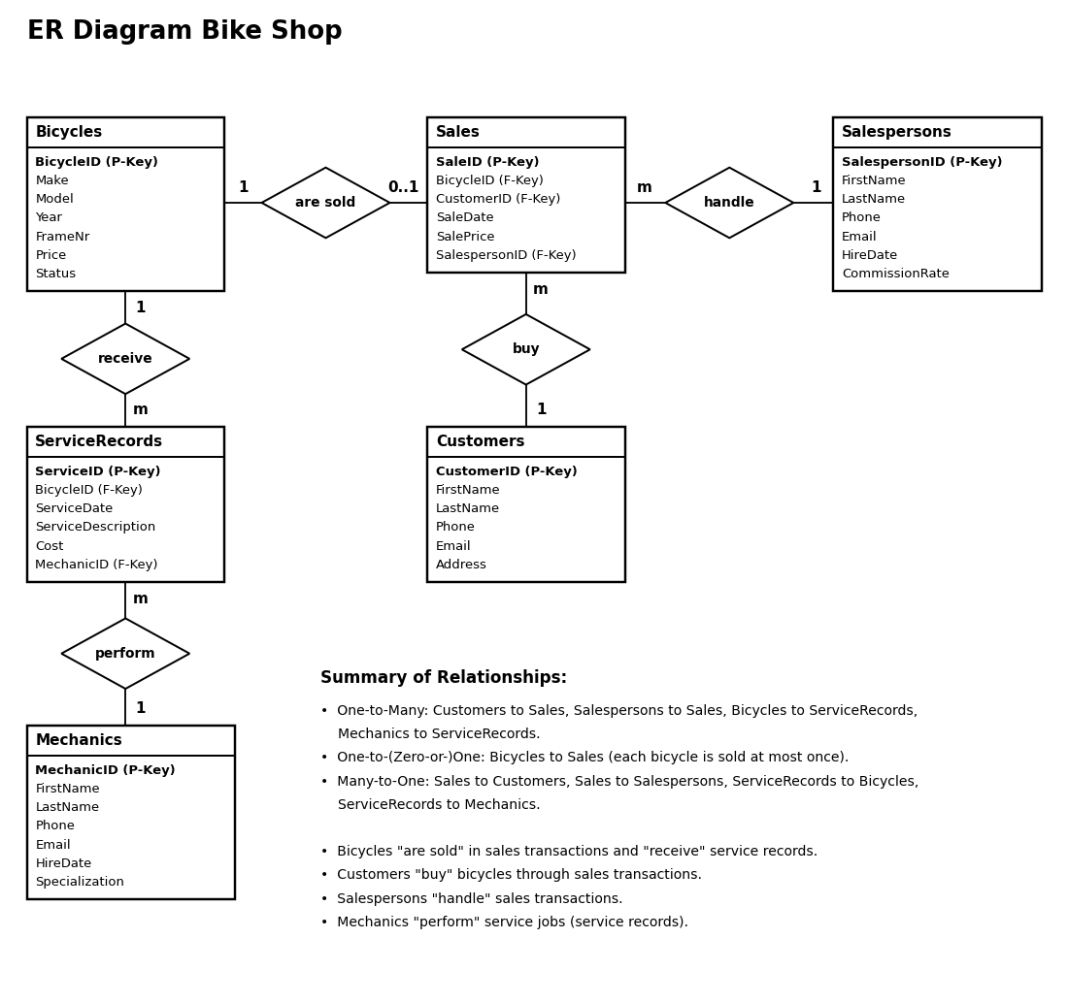
ER (Entity-Relationship) Diagram Bike Shop

